M3 parameters tuning solutions
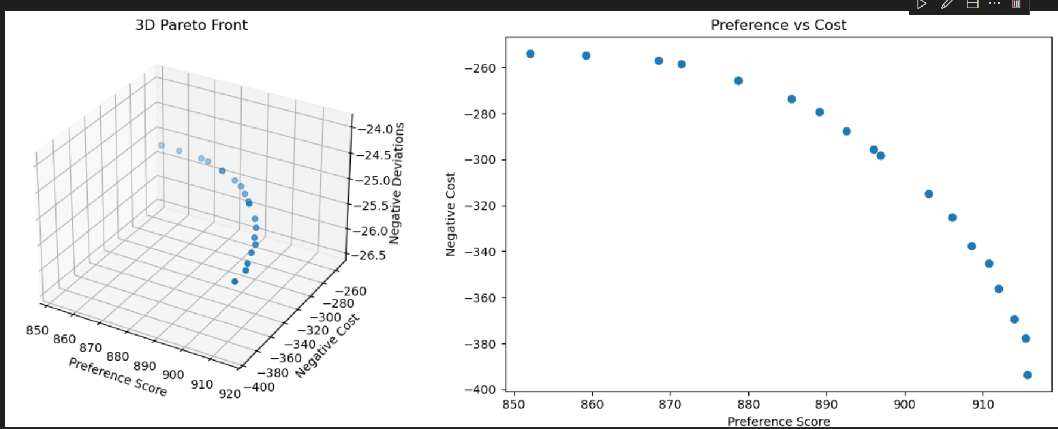
Pareto optimal solution：
solution 1:
weight: w_pi=0.926, w_c=0.017, w_D=0.057
object:
- Preference: 915.6
- Cost: 393.7
- Deviations: 25.2
----------------------------------------
solution 2:
weight: w_pi=0.118, w_c=0.822, w_D=0.060
object:
- Preference: 852.1
- Cost: 253.8
- Deviations: 25.2
----------------------------------------
solution 3:
weight: w_pi=0.887, w_c=0.103, w_D=0.010
object:
- Preference: 903.1
- Cost: 314.6
- Deviations: 25.2
----------------------------------------
solution 4:
weight: w_pi=0.655, w_c=0.163, w_D=0.182
object:
- Preference: 885.5
- Cost: 273.6
- Deviations: 25.2
----------------------------------------
solution 5:
weight: w_pi=0.619, w_c=0.040, w_D=0.341
object:
- Preference: 908.5
- Cost: 337.6
- Deviations: 25.2
----------------------------------------
solution 6:
weight: w_pi=0.953, w_c=0.035, w_D=0.012
object:
- Preference: 914.0
- Cost: 369.5
- Deviations: 25.2
----------------------------------------
solution 7:
weight: w_pi=0.070, w_c=0.129, w_D=0.801
object:
- Preference: 859.2
- Cost: 254.6
- Deviations: 25.2
----------------------------------------
solution 8:
weight: w_pi=0.626, w_c=0.029, w_D=0.345
object:
- Preference: 912.0
- Cost: 356.2
- Deviations: 25.2
----------------------------------------
solution 9:
weight: w_pi=0.812, w_c=0.116, w_D=0.072
object:
- Preference: 896.0
- Cost: 295.4
- Deviations: 25.2
----------------------------------------
solution 10:
weight: w_pi=0.908, w_c=0.069, w_D=0.024
object:
- Preference: 906.1
- Cost: 325.1
- Deviations: 25.2
----------------------------------------
solution 11:
weight: w_pi=0.061, w_c=0.053, w_D=0.886
object:
- Preference: 868.4
- Cost: 256.9
- Deviations: 25.2
----------------------------------------
solution 12:
weight: w_pi=0.775, w_c=0.018, w_D=0.207
object:
- Preference: 915.4
- Cost: 377.8
- Deviations: 25.2
----------------------------------------
solution 13:
weight: w_pi=0.632, w_c=0.177, w_D=0.191
object:
- Preference: 878.7
- Cost: 265.6
- Deviations: 25.2
----------------------------------------
solution 14:
weight: w_pi=0.814, w_c=0.114, w_D=0.072
object:
- Preference: 896.9
- Cost: 298.1
- Deviations: 25.2
----------------------------------------
solution 15:
weight: w_pi=0.623, w_c=0.039, w_D=0.338
object:
- Preference: 910.7
- Cost: 345.1
- Deviations: 25.2
----------------------------------------
solution 16:
weight: w_pi=0.657, w_c=0.276, w_D=0.067
object:
- Preference: 871.4
- Cost: 258.5
- Deviations: 25.2
----------------------------------------
solution 17:
weight: w_pi=0.664, w_c=0.112, w_D=0.224
object:
- Preference: 892.6
- Cost: 287.5
- Deviations: 25.2
----------------------------------------
solution 18:
weight: w_pi=0.713, w_c=0.100, w_D=0.187
object:
- Preference: 896.9
- Cost: 298.1
- Deviations: 25.2
----------------------------------------
solution 19:
weight: w_pi=0.776, w_c=0.159, w_D=0.065
object:
- Preference: 889.1
- Cost: 279.1
- Deviations: 25.2
----------------------------------------
solution 20:
weight: w_pi=0.758, w_c=0.205, w_D=0.037
object:
- Preference: 878.7
- Cost: 265.6
- Deviations: 25.2
----------------------------------------

